Regression scores
Period | Stock Price | Forecasted | Error
January | 35 | 30 | -5.00
February | 35 | 31 | -4.00
March | 10 | 30 | 20.00
April | 5 | 10 | 5.00
May | 8 | 12 | 4.00
June | 10 | 17 | 7.00
July | 15 | 18 | 3.00
August | 20 | 27 | 7.00
September | 23 | 29 | 6.00
October | 21 | 24 | 3.00
November | 22 | 23 | 1.00
December | 25 | 22 | -3.00

 |  |  |  |  | Evaluation Metrics for Regression ML models

 |  |  |  |  | The difference between reality and expectation



Metric 1: The Mean Squared Error (MSE)
MSE, or Mean Squared Error, is a statistical measure that calculates the average of the squares of the errors, that is, the average squared difference between the estimated values and the actual value.


Period | Stock Price | Forecasted | squares of the errors
January | 35 | 30 | 25.00
February | 35 | 31 | 16.00
March | 10 | 30 | 400.00
April | 5 | 10 | 25.00
pay | 8 | 12 | 16.00
June | 10 | 17 | 49.00
July | 15 | 18 | 9.00
August | 20 | 27 | 49.00
September | 23 | 29 | 36.00
October | 21 | 24 | 9.00
November | 22 | 23 | 1.00
December | 25 | 22 | 9.00
 |  | MSE | 53.666666667

The MSE error metric is great for comparing different models on the same dataset.

Metric 2: The RMSE, or Root Mean Squared Error
The square root of the average of the squares of the differences between the forecasted values and the actual values (Root Mean Square Error).

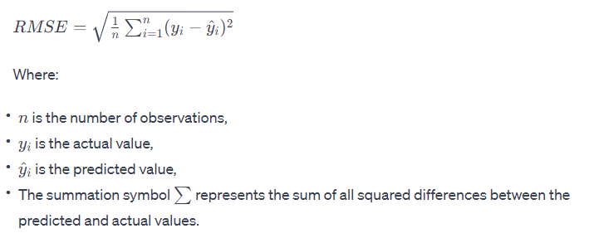
Period | Stock Price | Forecasted | Mean Square Error
January | 35 | 30 | 25.00
February | 35 | 31 | 16.00
March | 10 | 30 | 400.00
April | 5 | 10 | 25.00
pay | 8 | 12 | 16.00
June | 10 | 17 | 49.00
July | 15 | 18 | 9.00
August | 20 | 27 | 49.00
September | 23 | 29 | 36.00
October | 21 | 24 | 9.00
November | 22 | 23 | 1.00
December | 25 | 22 | 9.00
 |  | RMSE | 7.33

The reason for taking the square root of the MSE is that the scale of the RMSE is the same as the scale of the original variable
This makes it impossible to compare the RMSE values of different datasets with one another, just like the MSE

Metric 3: The Mean Absolute Error (MAE)
The Mean Absolute Error (MAE) is a measure of errors between paired observations expressing the same phenomenon. It's calculated as the average of the absolute differences between the predicted values and observed values, without considering the direction.

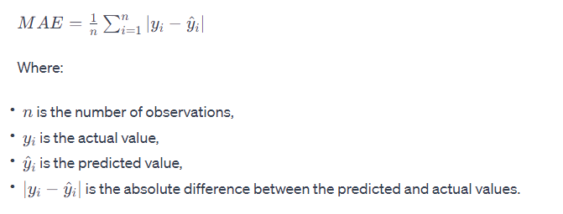

Period | Stock Price | Forecasted | absolute error
January | 35 | 30 | 5.00
February | 35 | 31 | 4.00
March | 10 | 30 | 20.00
April | 5 | 10 | 5.00
pay | 8 | 12 | 4.00
June | 10 | 17 | 7.00
July | 15 | 18 | 3.00
August | 20 | 27 | 7.00
September | 23 | 29 | 6.00
October | 21 | 24 | 3.00
November | 22 | 23 | 1.00
December | 25 | 22 | 3.00
 |  | MAE | 5.67

Metric 4: The MAPE, Mean Absolute Percent Error
MAPE is like an accuracy score that tells you, on average, what percentage you're off when making a guess compared to the actual number; a lower score means better guesses

Period | Stock Price | Forecasted | Mütləq xəta | Mutləq xətanin həqiqi dəyər nisbəti
January | 35 | 30 | 5.00 | 0.14285714286
February | 35 | 31 | 4.00 | 0.11428571429
March | 10 | 30 | 20.00 | 2
April | 5 | 10 | 5.00 | 1
pay | 8 | 12 | 4.00 | 0.5
June | 10 | 17 | 7.00 | 0.7
July | 15 | 18 | 3.00 | 0.2
August | 20 | 27 | 7.00 | 0.35
September | 23 | 29 | 6.00 | 0.26086956522
October | 21 | 24 | 3.00 | 0.14285714286
November | 22 | 23 | 1.00 | 0.045454545455
December | 25 | 22 | 3.00 | 0.12

 |  |  | MAPE | 0.46

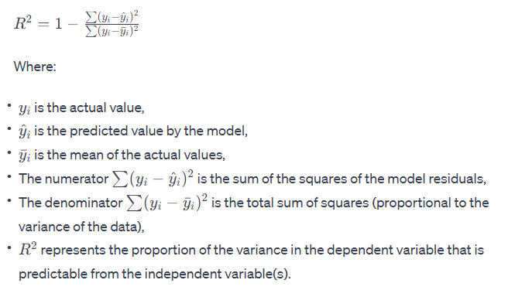
Metric 5: R2
It is a performance metric rather than an error metric
R2 (R-squared), which is a statistical measure used to evaluate the goodness of fit of a regression model

2021 |  |  |  |  | 2022
Period | Stock Price | Forecasted | Xətalarin Kvadratlari | Sum of Squares of Residuals) | Average
January | 35 | 30 | 25.00 | 253.34027778 | 19.083333333
February | 35 | 31 | 16.00 | 253.34027778 | 19.083333333
March | 10 | 30 | 400.00 | 82.506944444 | 19.083333333
April | 5 | 10 | 25.00 | 198.34027778 | 19.083333333
pay | 8 | 12 | 16.00 | 122.84027778 | 19.083333333
June | 10 | 17 | 49.00 | 82.506944444 | 19.083333333
July | 15 | 18 | 9.00 | 16.673611111 | 19.083333333
August | 20 | 27 | 49.00 | 0.84027777778 | 19.083333333
September | 23 | 29 | 36.00 | 15.340277778 | 19.083333333
October | 21 | 24 | 9.00 | 3.6736111111 | 19.083333333
November | 22 | 23 | 1.00 | 8.5069444444 | 19.083333333
December | 25 | 22 | 9.00 | 35.006944444 | 19.083333333

Average value | 19.08 | SUM | 644.00 | 1072.92

 |  | R2 | 0.40

Classification scores
 |  |  |  |  | Classification Scores

 | Confusion matrix

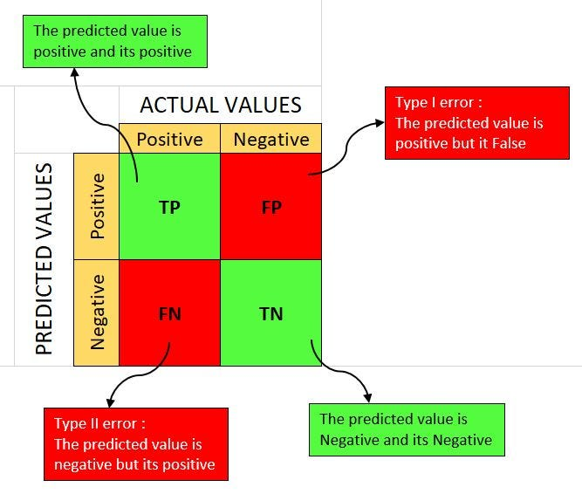

 |  |  |  |  |  |  |  |  |  | True Positives (TP): The cases in which the model correctly predicted the positive class.

 |  |  |  |  |  |  |  |  |  | False Positives (FP): The cases in which the model incorrectly predicted the positive class.

 |  |  |  |  |  |  |  |  |  | True Negatives (TN): The cases in which the model correctly predicted the negative class.

 |  |  |  |  |  |  |  |  |  | False Negatives (FN): The cases in which the model incorrectly predicted the negative class.

 |  |  |  |  | All classification model metrics range from 0 to 1 and that a higher score indicates better performance

Titanic confusion matrix

 |  |  | Actual Positive | Actual Negative |  |  |  |  |  | True Positives (TP): 80 This is the number of passengers who were correctly predicted to have survived. In our matrix, there are 80 such instances.
 |  | Predicted Positive | 80 | 15
 |  | Predicted Negative | 20 | 105

 |  |  |  |  |  |  |  |  |  | False Positives (FP): 15 This represents the number of passengers who were incorrectly predicted to have survived

 |  |  |  |  |  |  |  |  |  | True Negatives (TN): 105 This is the count of passengers who were correctly predicted to not have survived.

 |  |  |  |  |  |  |  |  |  | False Negatives (FN): 20 These are the passengers who did survive, but the model incorrectly predicted them as not having survived

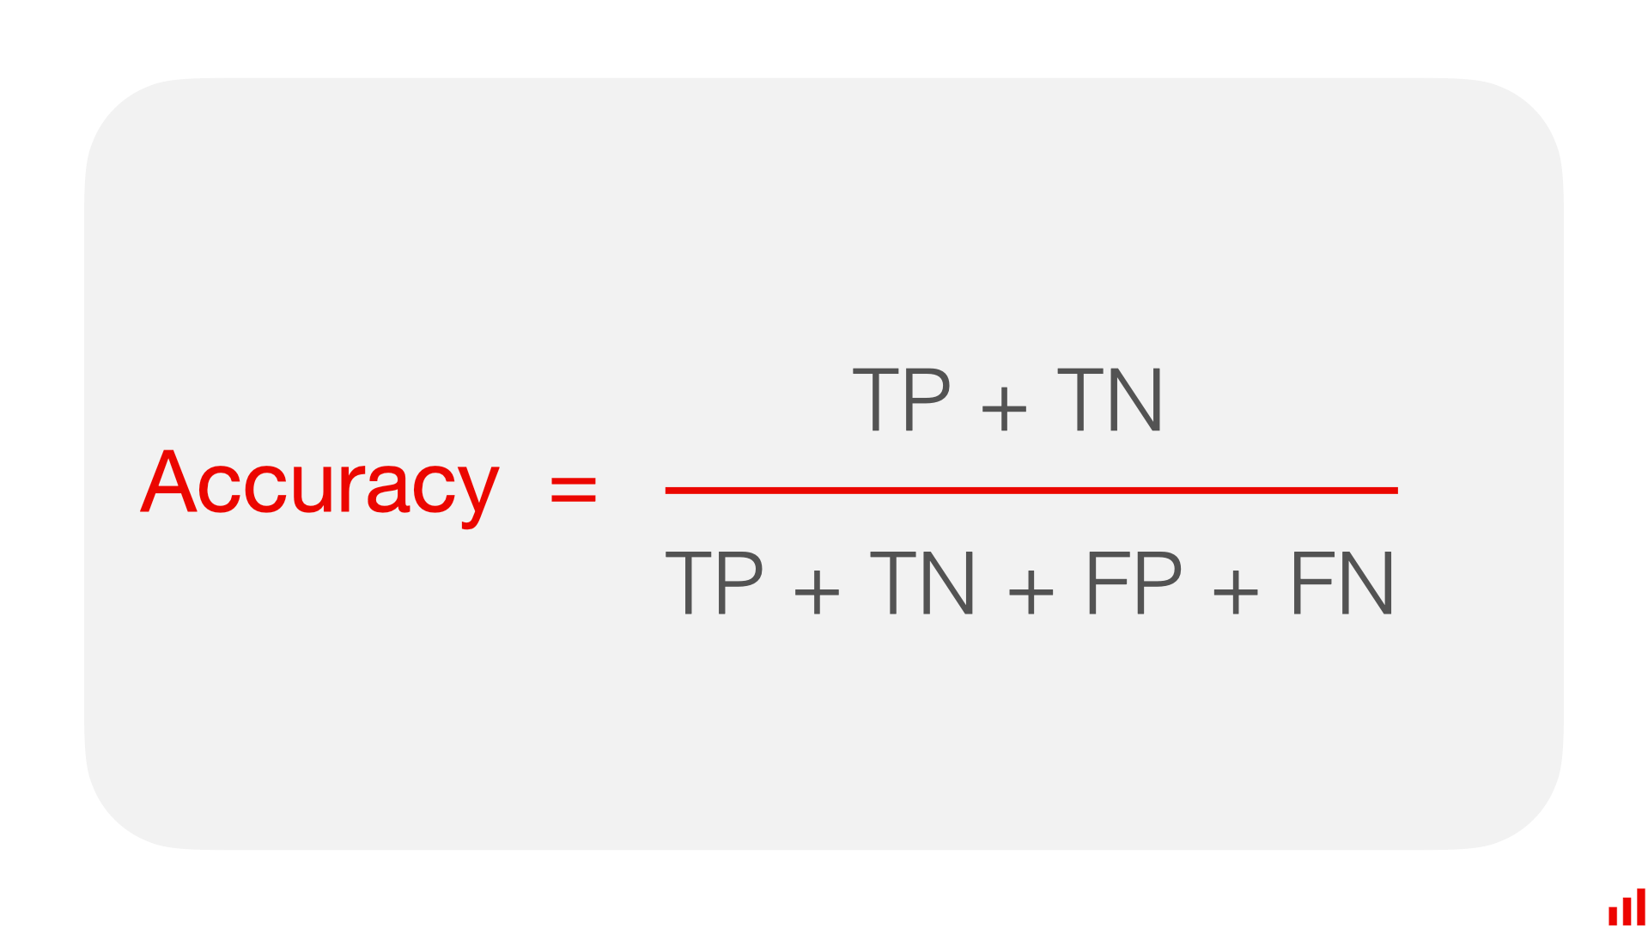
 |  |  | Accuracy
 |  | Meaning: Accuracy measures the overall correctness of the model. It represents the ratio of correctly predicted observations (both true positives and true negatives) to the total observations.

 |  |  |  |  |  |  |  |  |  |  |  |  | Positive Aspect: High accuracy indicates a model that is generally correct in its predictions.

 |  |  |  |  |  |  |  |  |  |  |  |  | You have a symmetric dataset where the values of false positives and false negatives are not significantly different. The cost of a false positive and a false negative is very similar. You want a general measure of the model's performance across all classes.

 |  |  | Actual Positive | Actual Negative
 |  | Predicted Positive | 80 | 15
 |  | Predicted Negative | 20 | 105 |  |  |  |  |  |  |  |  | Negative Aspect: Accuracy alone can be misleading, especially if the dataset is imbalanced (i.e., the number of observations in each class varies greatly).

 |  | Accuracy | 0.84

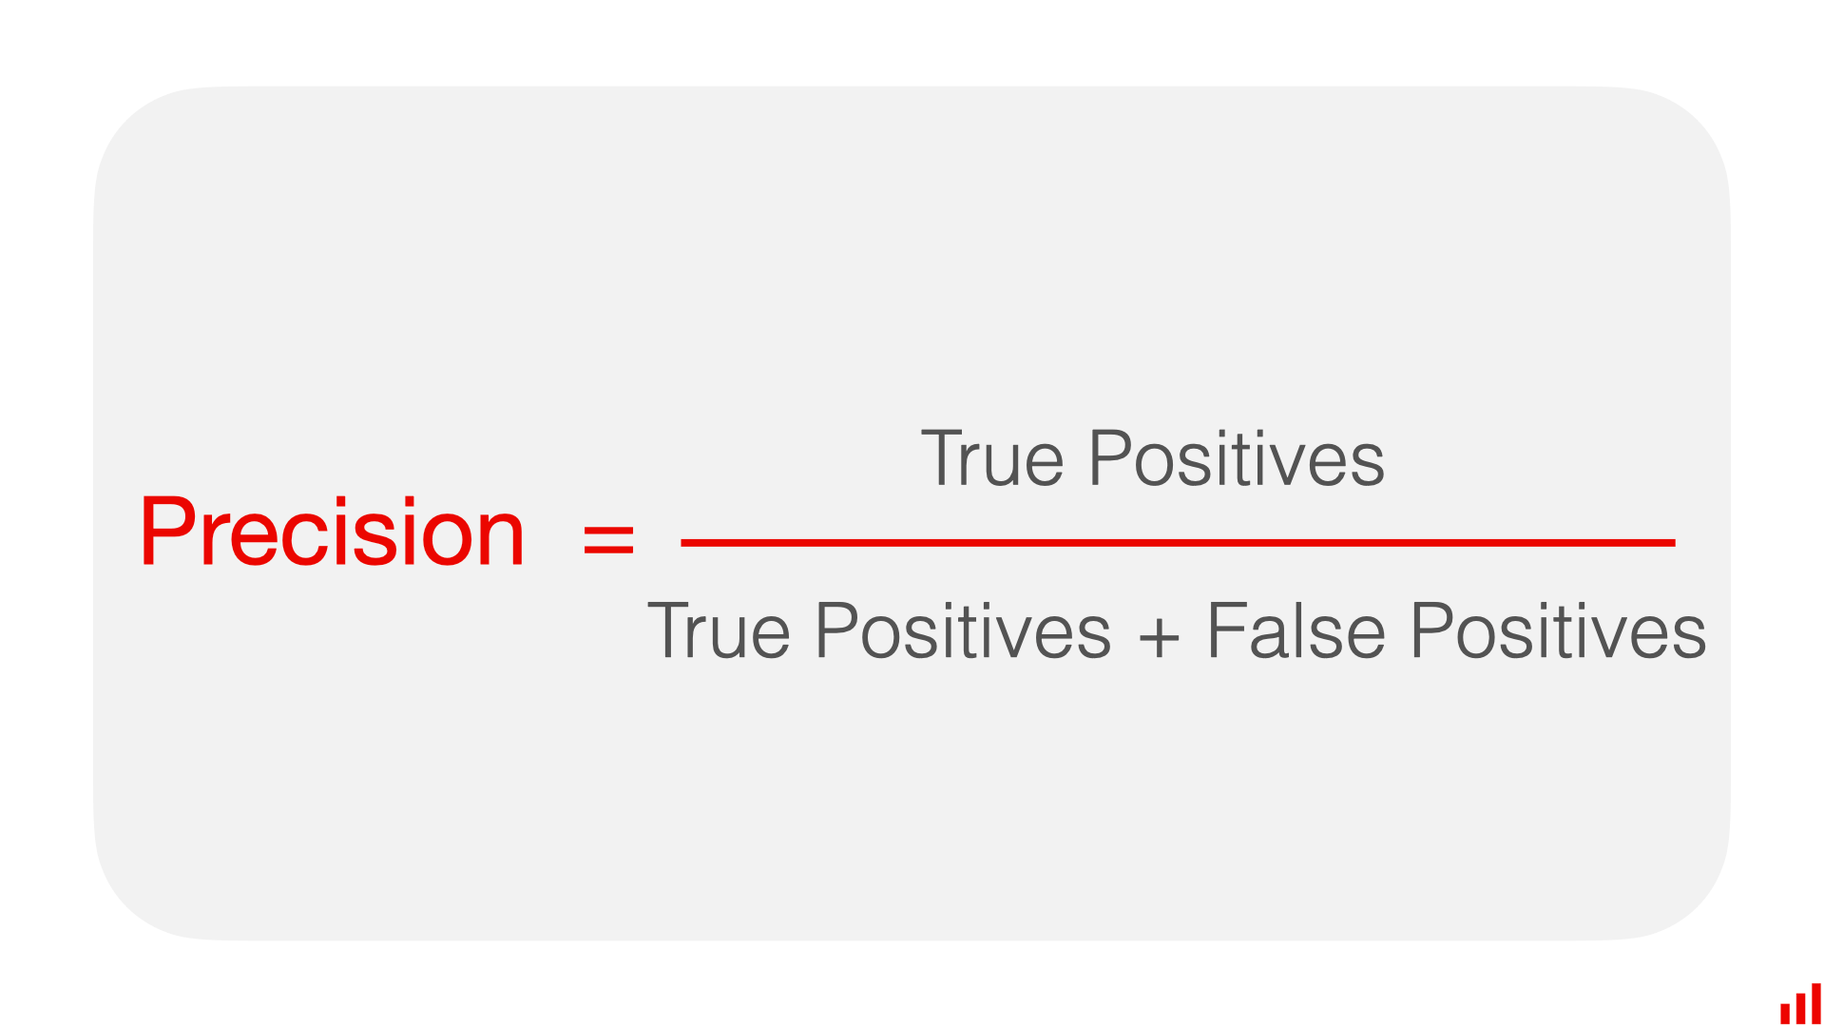
 |  |  | Precision
 |  | Meaning: Precision measures the accuracy of positive predictions. It represents the ratio of correctly predicted positive observations to the total predicted positives. |  |  |  |  |  |  |  |  |  |  | Positive Aspect: High precision indicates that the model is reliable when it predicts a positive outcome.

 |  |  |  |  |  |  |  |  |  |  |  |  | You want to minimize false positives. The cost of a false positive is high. For example, in spam detection, you’d rather have some spam emails in your inbox (false negatives) than important emails incorrectly classified as spam (false positives).

 |  |  | Actual Positive | Actual Negative
 |  | Predicted Positive | 80 | 15
 |  | Predicted Negative | 20 | 105
 |  |  |  |  |  |  |  |  |  |  |  |  | Negative Aspect: Precision alone doesn’t take into account the false negatives. A model can have high precision but still miss many actual positives (low recall).

 |  | Precision | 0.84

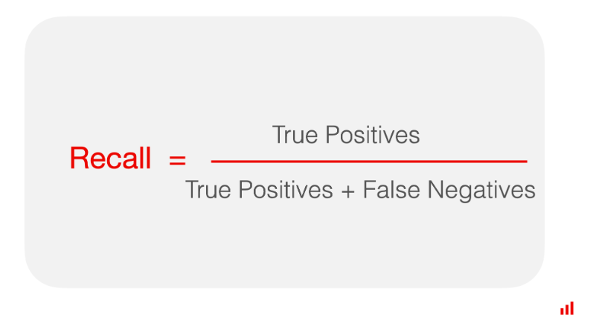
 |  |  | Recall (Sensitivity) or (True Positive Rate (TPR) )
 |  | Meaning: Recall measures the model's ability to detect positive observations. It is the ratio of correctly predicted positive observations to all observations in the actual class. |  |  |  |  |  |  |  |  |  |  | Positive Aspect: High recall indicates that the model is good at catching positive cases.

 |  |  |  |  |  |  |  |  |  |  |  |  | You need to capture as many positives as possible. The cost of a false negative is high. For instance, in medical diagnosis, missing out on a true condition (false negative) could be life-threatening, whereas a false alarm (false positive) might be less critical.

 |  |  | Actual Positive | Actual Negative
 |  | Predicted Positive | 80 | 15
 |  | Predicted Negative | 20 | 105
 |  |  |  |  |  |  |  |  |  |  |  |  | Negative Aspect: A high recall can be achieved at the expense of more false positives (lower precision)

 |  | Recall | 0.80


 |  |  | F1 Score
 |  | Meaning: The F1 Score is the harmonic mean of Precision and Recall. It provides a balance between the precision and recall of the model. |  |  |  |  |  |  |  |  |  |  | Positive Aspect: A high F1 score indicates a good balance between precision and recall, useful when there’s an uneven class distribution.

 |  |  |  |  |  |  |  |  |  |  |  |  | You want a balance between Precision and Recall. There is an uneven class distribution, such as when one class is rare. Both false positives and false negatives carry a cost, or when you’re not sure which one to prioritize.

 |  |  | Actual Positive | Actual Negative
 |  | Predicted Positive | 80 | 15
 |  | Predicted Negative | 20 | 105
 |  |  |  |  |  |  |  |  |  |  |  |  | Negative Aspect: Focusing only on F1 Score can sometimes overlook the specific needs of a problem in terms of precision or recall.

 |  | F1 Score | 0.82

 |  |  | Specificity or FA
 |  | It refers to the ability of a model to correctly identify negative cases. It's a measure of a model's performance, specifically focusing on its accuracy in predicting the absence of a condition or characteristic. |  |  |  |  |  |  |  |  |  |  | Positive Aspect: In fields like medicine, a high specificity is essential to ensure that patients are not misdiagnosed with conditions they do not have



 |  |  |  |  |  |  |  |  |  |  |  |  | It's crucial in testing and diagnostics to know how well a test can identify those without a disease (true negatives) to avoid unnecessary treatments or anxiety. Criminal Justice: For instance, in forensic testing, high specificity is important to ensure individuals are not wrongly identified as positive for certain forensic markers.
 |  |  | Actual Positive | Actual Negative
 |  | Predicted Positive | 80 | 15
 |  | Predicted Negative | 20 | 105

 |  |  |  |  |  |  |  |  |  |  |  |  | Negative Aspect: High specificity alone does not imply overall accuracy. A model can have high specificity but still perform poorly in identifying positive cases.

 |  | Specificty | 0.88

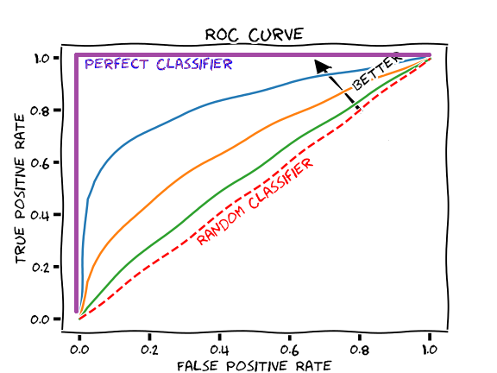
 |  |  | ROC Curve and AUC
 |  | ROC Curve is a graphical plot that illustrates the diagnostic ability of a binary classifier system as its discrimination threshold is varied |  |  |  |  |  |  |  |  |  |  | AUC is particularly useful for evaluating models on imbalanced datasets, where accuracy can be misleading. It evaluates a model's ability to discriminate between classes, independent of the threshold set for classification.

 |  |  |  |  |  |  |  |  |  |  |  |  | The AUC (Area Under the Curve) score is a widely used metric in machine learning, particularly in the context of classification problems. It's an essential tool for evaluating the performance of a model, especially in cases where the classes are imbalanced. Here are the key points, along with positive and negative aspects, to consider:

 |  | AUC score refers to the area under the ROC (Receiver Operating Characteristic) curve. This curve plots the True Positive Rate (Sensitivity) against the False Positive Rate (1 - Specificity) at various threshold settings.

 |  |  |  |  |  |  |  |  |  |  |  |  | AUC might not be the best metric in cases where the costs of false positives and false negatives are vastly different. UC is primarily used for binary classification. In multi-class problems, it requires modification or different interpretation techniques.

 |  |  |  |  |  |  |  |  |  |  | True Positive Rate (TPR) |  |  | False Positive Rate (FPR):
 | Partient_ID | Disease | Probablity_disease | Prediction | Threshold | Postive | Negative | Postive_Reat |  |  | Recall (TPR) | 0.625
 | 1 | 1 | 0.482138952 | 0 | 0.5 | 32 | 11 | 0.74418604651
 | 2 | 1 | 0.83721581848 | 1
 | 3 | 1 | 0.053218069801 | 0 |  |  |  |  |  |  | False Positive Rate (FPR):
 | 4 | 1 | 0.39082276742 | 0 |  |  |  |  |  |  | FPR | 0.54545454545
 | 5 | 1 | 0.77904328323 | 1 |  |  |  |  |  |  |  |  |  | This is the proportion of negative cases that are incorrectly classified as positive. It is the complement of Specificity, which means it is calculated as one minus the Specificity, or equivalently, the number of false positives divided by the sum of false positives and true negatives.
 | 6 | 1 | 0.64015577271 | 1
ROC curve
 | 7 | 1 | 0.56113244919 | 1
 | 8 | 0 | 0.80646115831 | 1
 | 9 | 1 | 0.73191916336 | 1 |  | Threshold | Recall (TPR) | FPR
 | 10 | 1 | 0.68140759968 | 1 |  | 0 | 1 | 0
 | 11 | 1 | 0.99990872653 | 1 |  | 0.1 | 0.84375 | 0.18181818182
 | 12 | 0 | 0.013048584255 | 0 |  | 0.3 | 0.78125 | 0.36363636364
 | 13 | 1 | 0.023306536458 | 0 |  | 0.5 | 0.625 | 0.54545454545
 | 14 | 1 | 0.7398356013 | 1 |  | 0.7 | 0.5 | 0.72727272727
 | 15 | 1 | 0.92870664897 | 1 |  | 0.9 | 0.21875 | 1
 | 16 | 0 | 0.88797077666 | 1 |  | 1 | 0 | 1
 | 17 | 1 | 0.96177732172 | 1
 | 18 | 1 | 0.99495129094 | 1
 | 19 | 1 | 0.93049471108 | 1
 | 20 | 1 | 0.8102166963 | 1
 | 21 | 1 | 0.72465782322 | 1
 | 22 | 0 | 0.3490546933 | 0
 | 23 | 1 | 0.6851868802 | 1
 | 24 | 0 | 0.29894389102 | 0 |  |  |  |  | Area Under the Curve (AUC)
 | 25 | 1 | 0.07951973181 | 0 |  |  |  |  | The AUC score is the area of the under ROC Curve
 | 26 | 1 | 0.44777377095 | 0
 | 27 | 0 | 0.002969817491 | 0
 | 28 | 1 | 0.4838273167 | 0
 | 29 | 1 | 0.9004636108 | 1
 | 30 | 1 | 0.10399820735 | 0
 | 31 | 0 | 0.38061396042 | 0
 | 32 | 1 | 0.024559698727 | 0
 | 33 | 0 | 0.54328472273 | 1
 | 34 | 1 | 0.89891591297 | 1
 | 35 | 1 | 0.39292358108 | 0
 | 36 | 1 | 0.13707415137 | 0
 | 37 | 1 | 0.96079466664 | 1
 | 38 | 1 | 0.75558951227 | 1
 | 39 | 0 | 0.57981100393 | 1
 | 40 | 1 | 0.85656492304 | 1
 | 41 | 0 | 0.27698492196 | 0
 | 42 | 0 | 0.89901157997 | 1
 | 43 | 1 | 0.09569895939 | 0

